Total Care Comparison
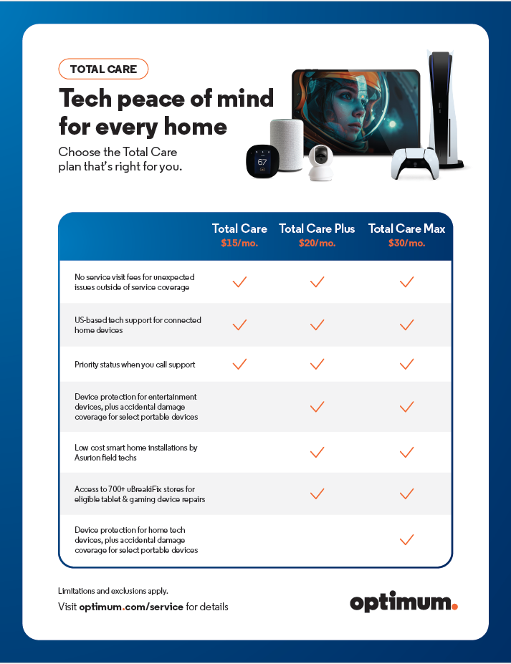
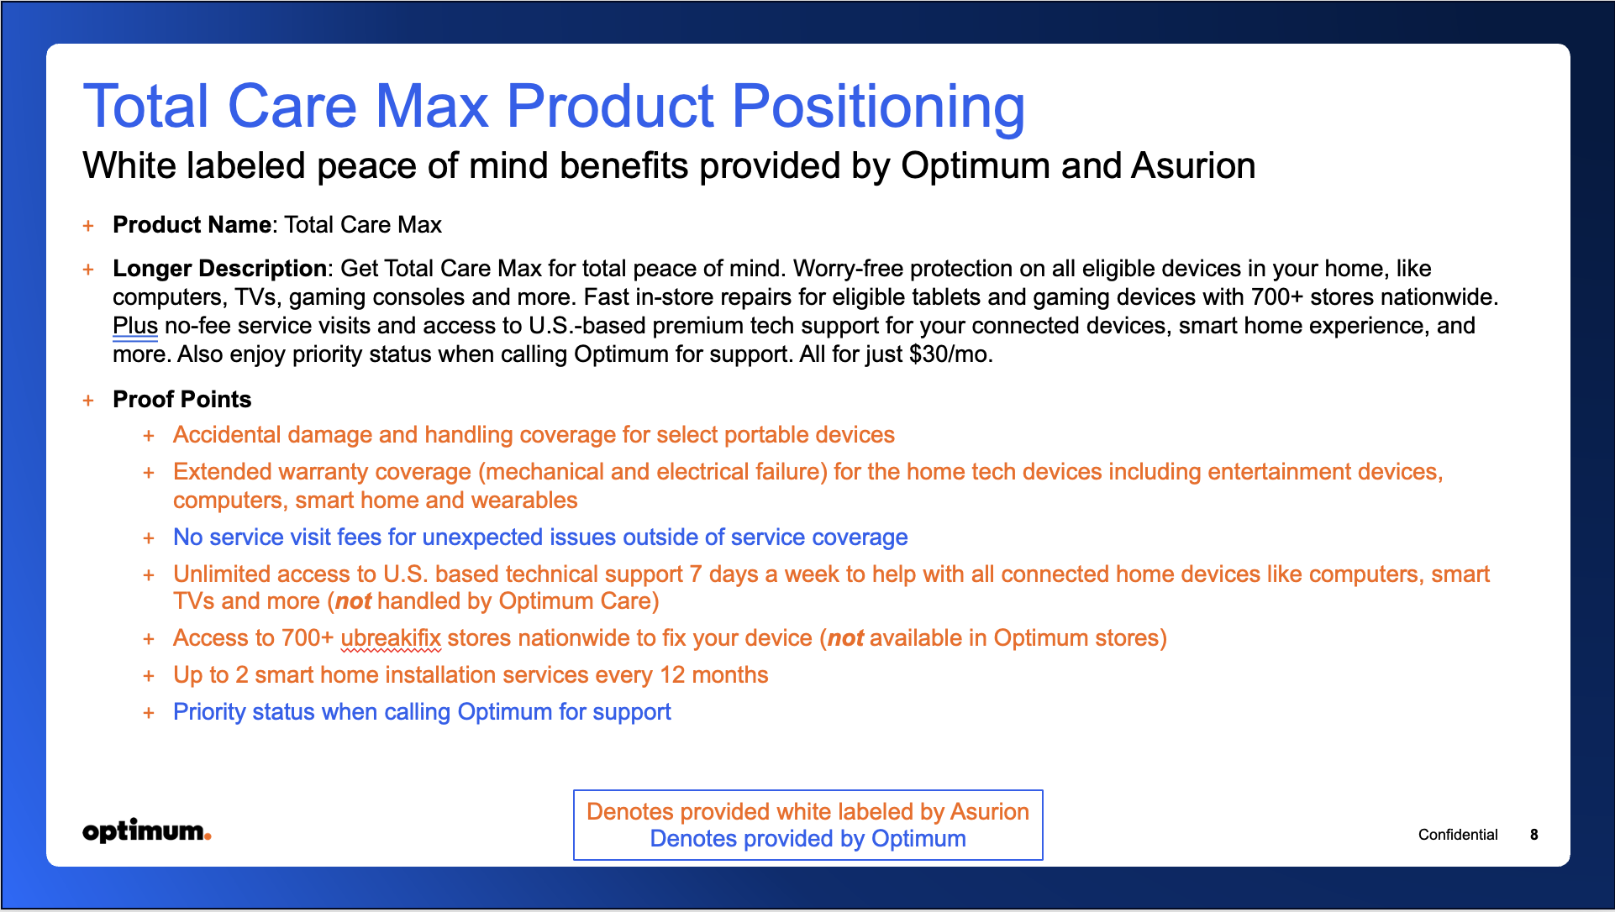
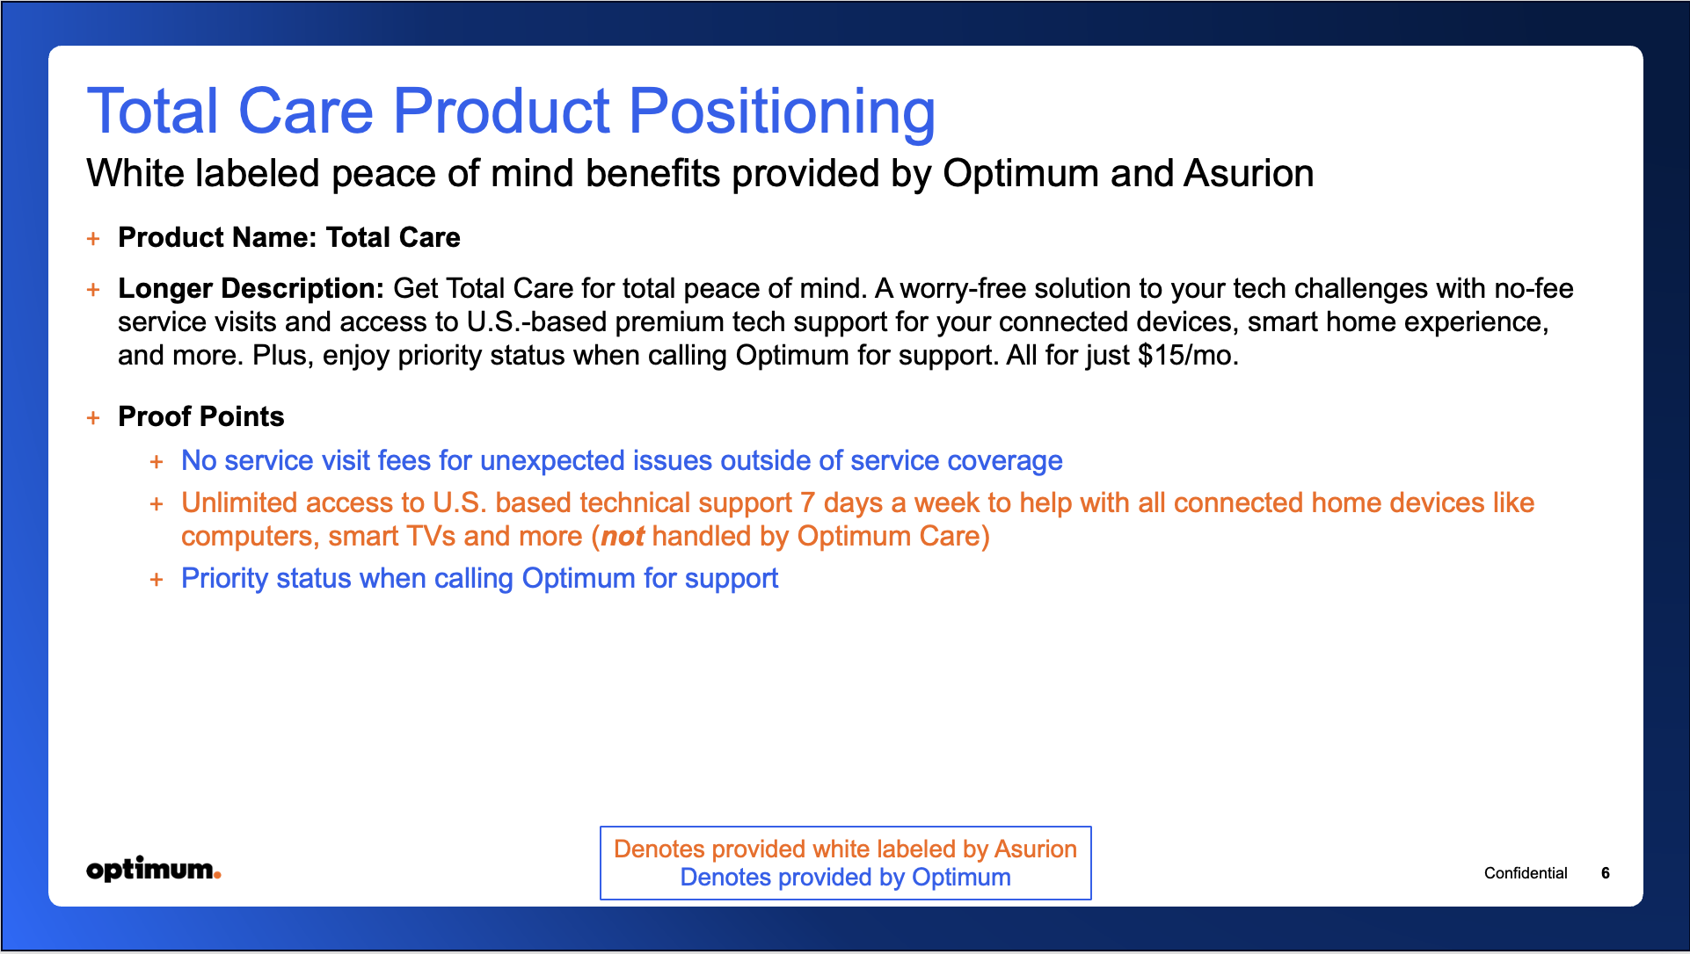

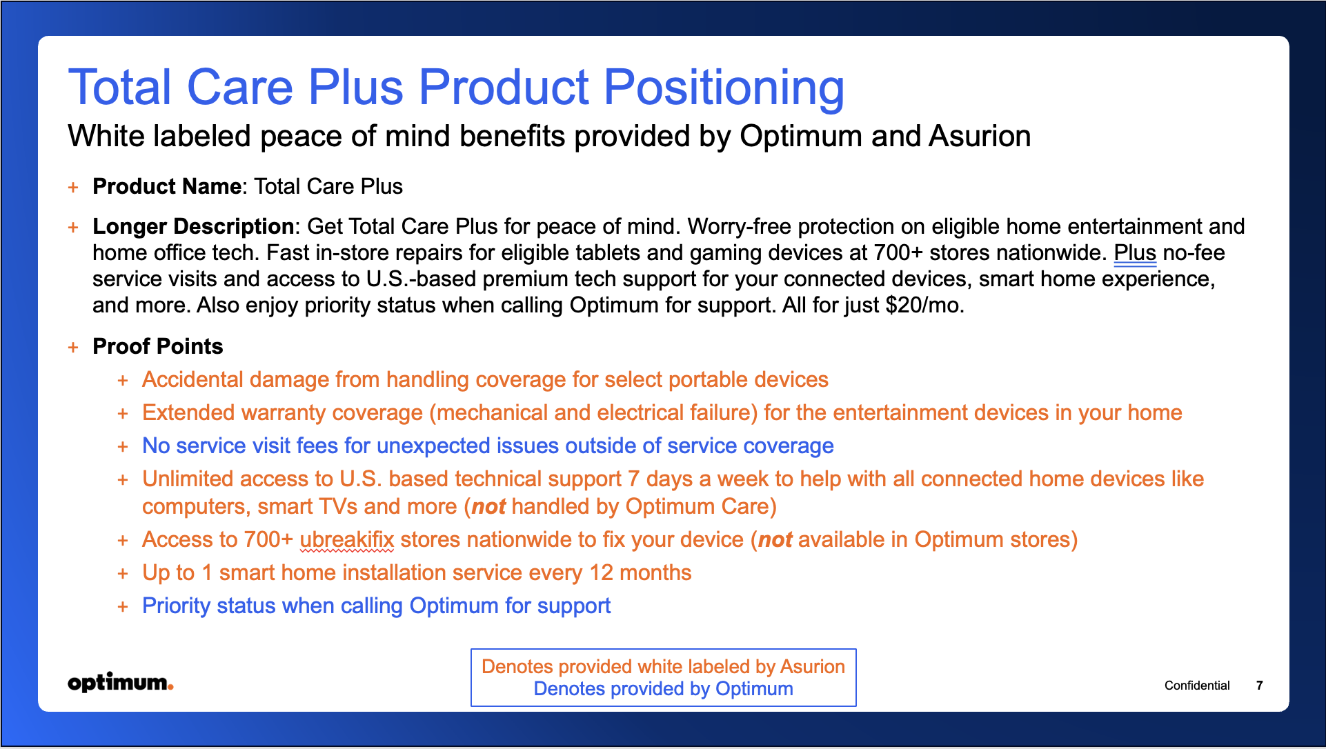

- If you're like me, you have lots of smart home products and electronics. If you want extra peace of mind, we have Total Care that covers you from accidental damage and handling to unlimited technical support - Concerned about service visit fees? We've got you covered with Total Care. You don't have to worry about service visit fees. -For select portable devices, coverage includes Accidental Damage from Handling, like drops, spills, and cracked screens. - Installation service every 12 months starting from the first date of installation of one of the following products: wall-mounted TV, smart doorbell, smart thermostat, smart door lock and smart security camera. - In store repair at over 700+ uBreakiFix stores

